Sheet1
 |  | Document No. | Issue No. | Issue Date |  |  | Review and Replace Date |  | Authorised By
 |  | GFF | 1 | New Issue |  |  |  |  | Magda Shah
 |  | Document Title | Gc- 10 Vegetable Samosa | Jumbo | 1400G X 1-Sleeving and Despatch
Document amendments reason for change |  | New issue |  |  | Page 1 0f 1 |  |  | Previous Issue Date | Uncontrolled copy unless signed original

CVSAJ-B10T | Gazebo (BULK-SNACKS) |  | Gc- 10 Vegetable Samosa | Jumbo | 1400G X 1
STEP 1 |  |  |  |  | STEP 2
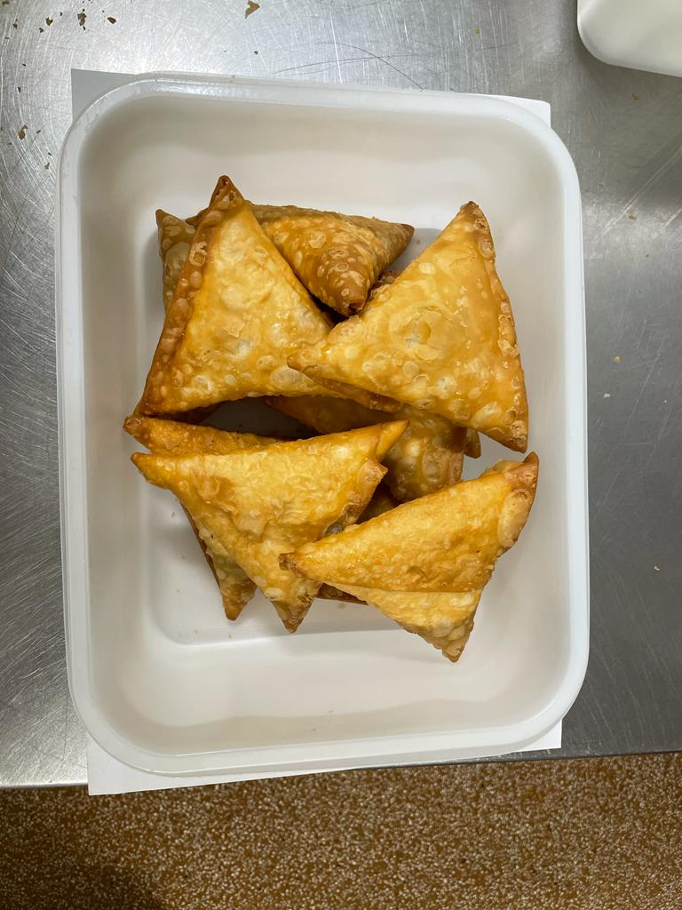 |  |  |  |  | 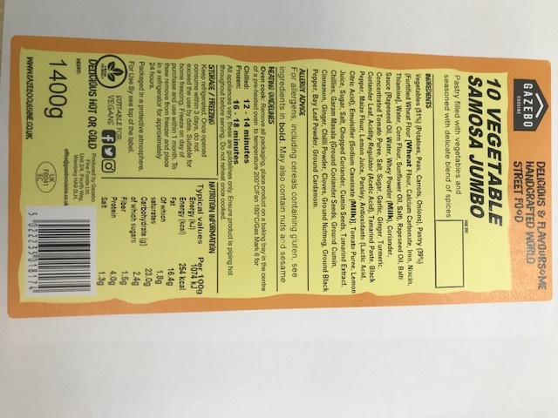

PRODUCT: Vegetable Samosa XL (Jumbo) 140G |  |  |  |  | LABEL: | 10 Vegetable Samosa | Jumbo
TOTAL WEIGHT: 1400G |  |  |  |  | USE BY DATE: Cook + 18 days Defrost + 16 Days | MIN LIF INTO DEPOT: 14 days
STEP 3
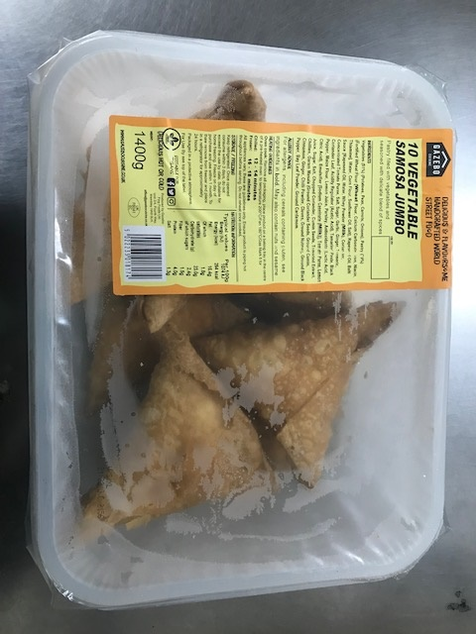

STORAGE: Chilled below 5°C

